Folio
Handle | Внешность | Игрок | Роль | Sync | DT | €$ | Monthly | IP | Lifestyle | Жилье | Кому продался
Выхлоп |  | Стас Вишневский | Nomad 4 | 2026-07-18 | 5
Patches |  | Кэролайн Мышь (Настя) | Nomad 4 | 2026-07-08 | 6
Driftwood | 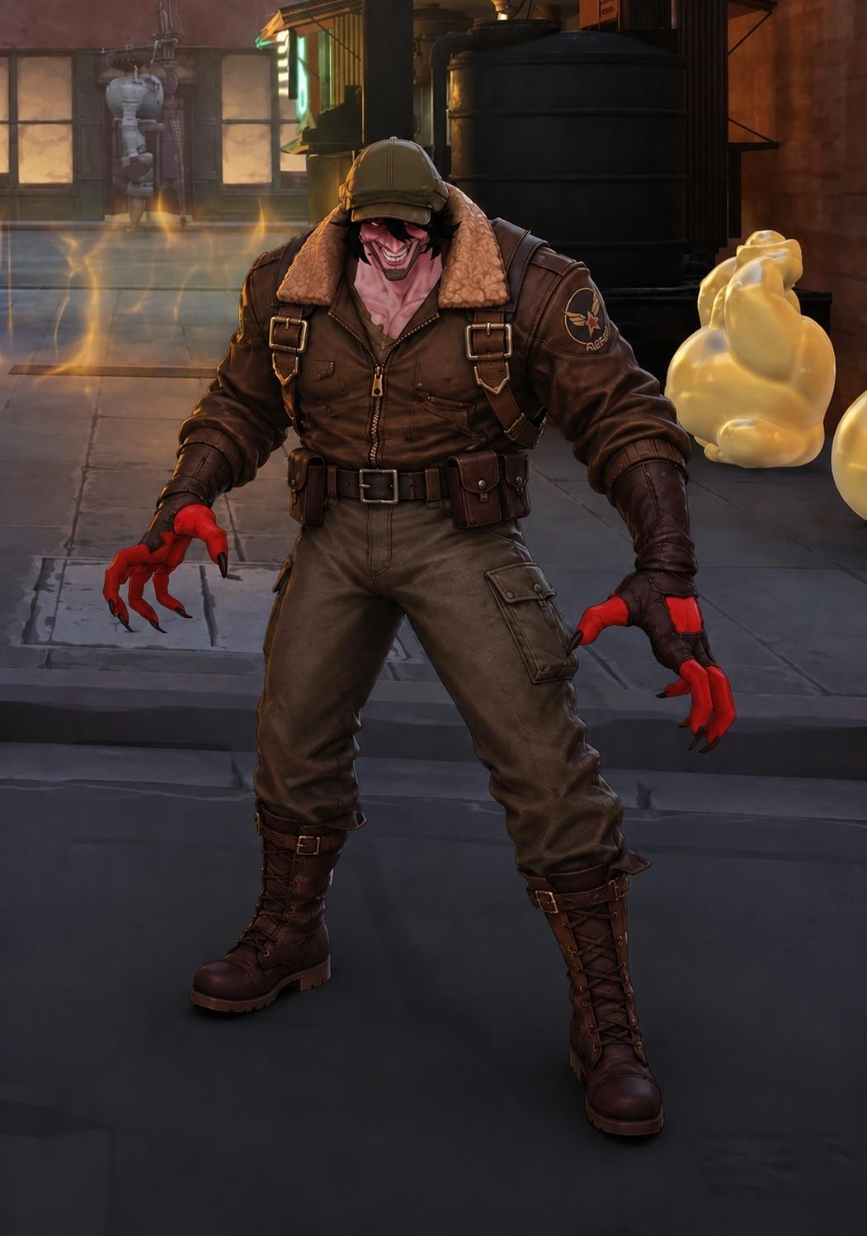 | Никита Шемякин | Solo 4 | 2026-07-04 | 7
Yokai |  | Ярослав Кардаш | Tech 4 | 2026-06-28 | 8
Knight | 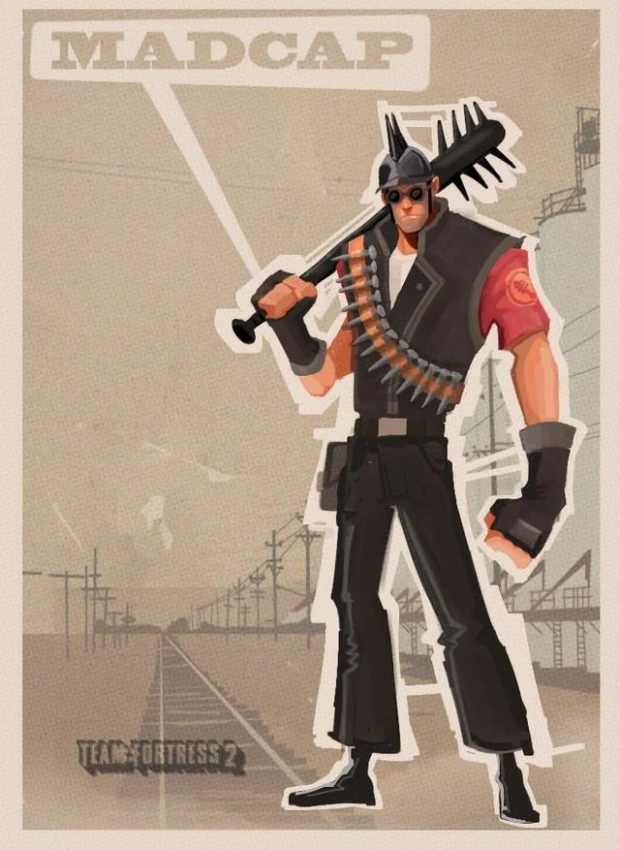 | Андрей Орлов | Nomad 4 | 2026-07-08 | 6
Neuro |  | Софья Карамышева | Medtech 4 | 2026-07-04 | 7
Крачка | 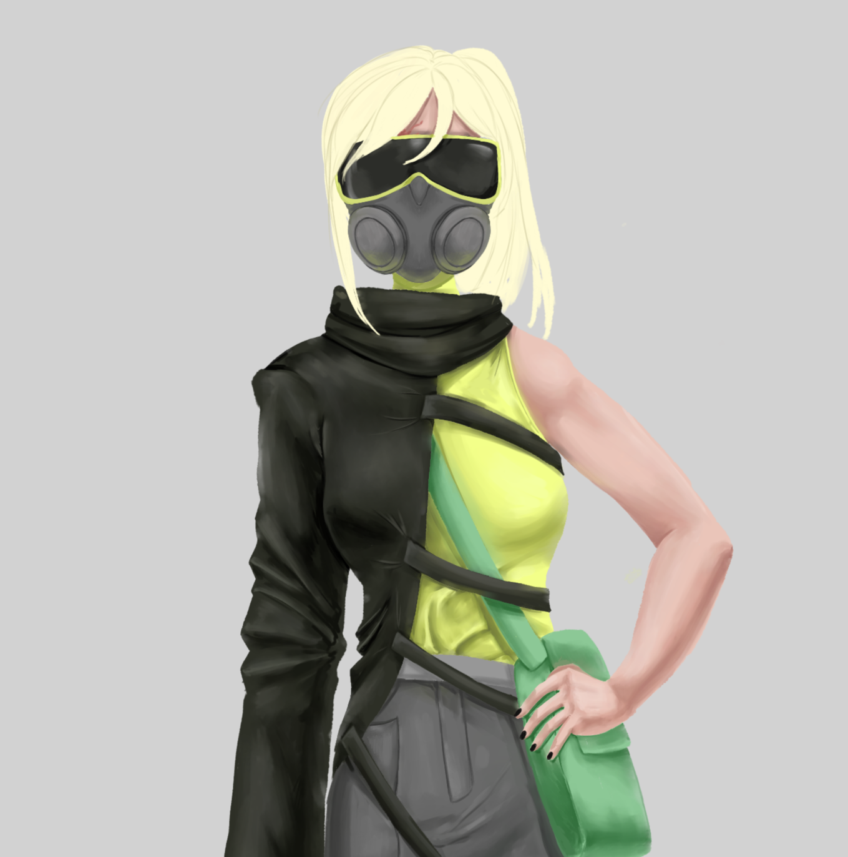 | Карина Лесив | Medtech 4 | 2026-07-04 | 7
Колибри |  | Варя Чернягова | Solo 4 | 2026-07-08 | 6
Искра | 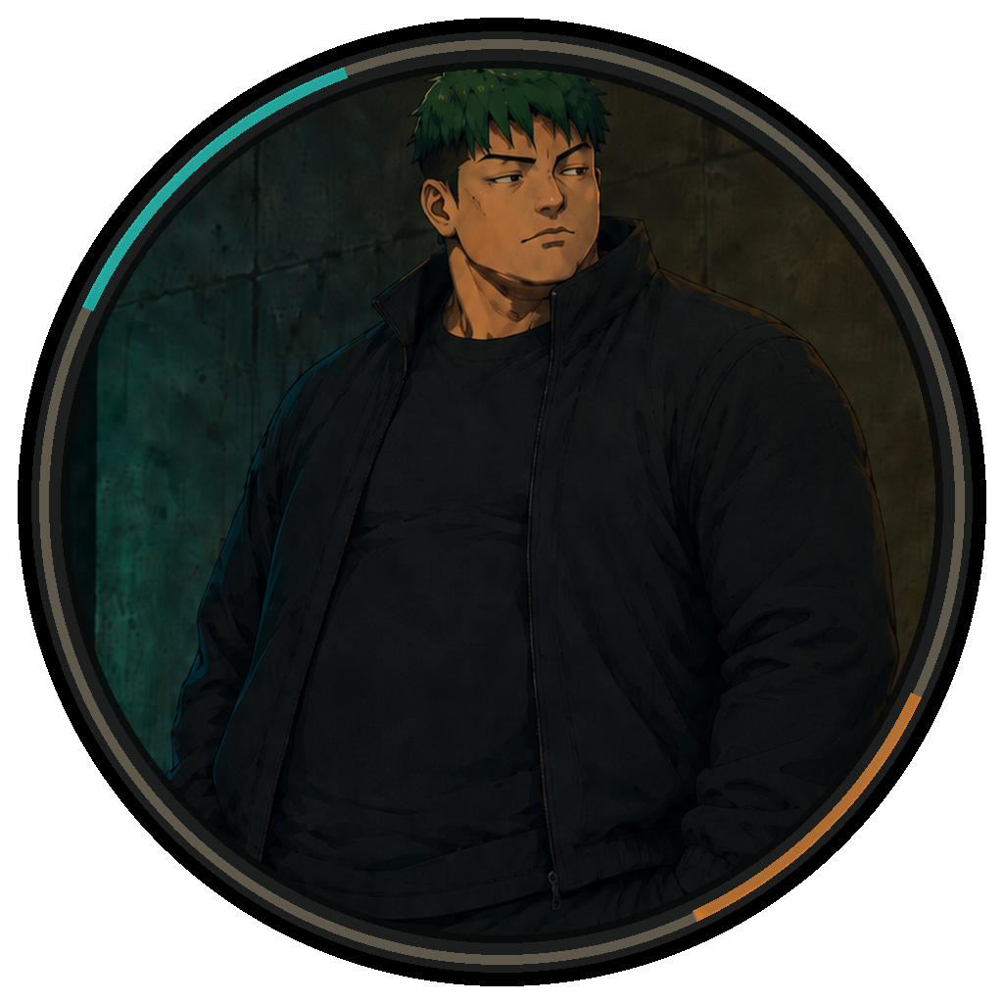 | Макс Кол | Tech 4 | 2026-07-08 | 6
LimpBizkit |  | Сергей Квачук | Medtech 4 | 2026-07-18 | 5
С-Unit | 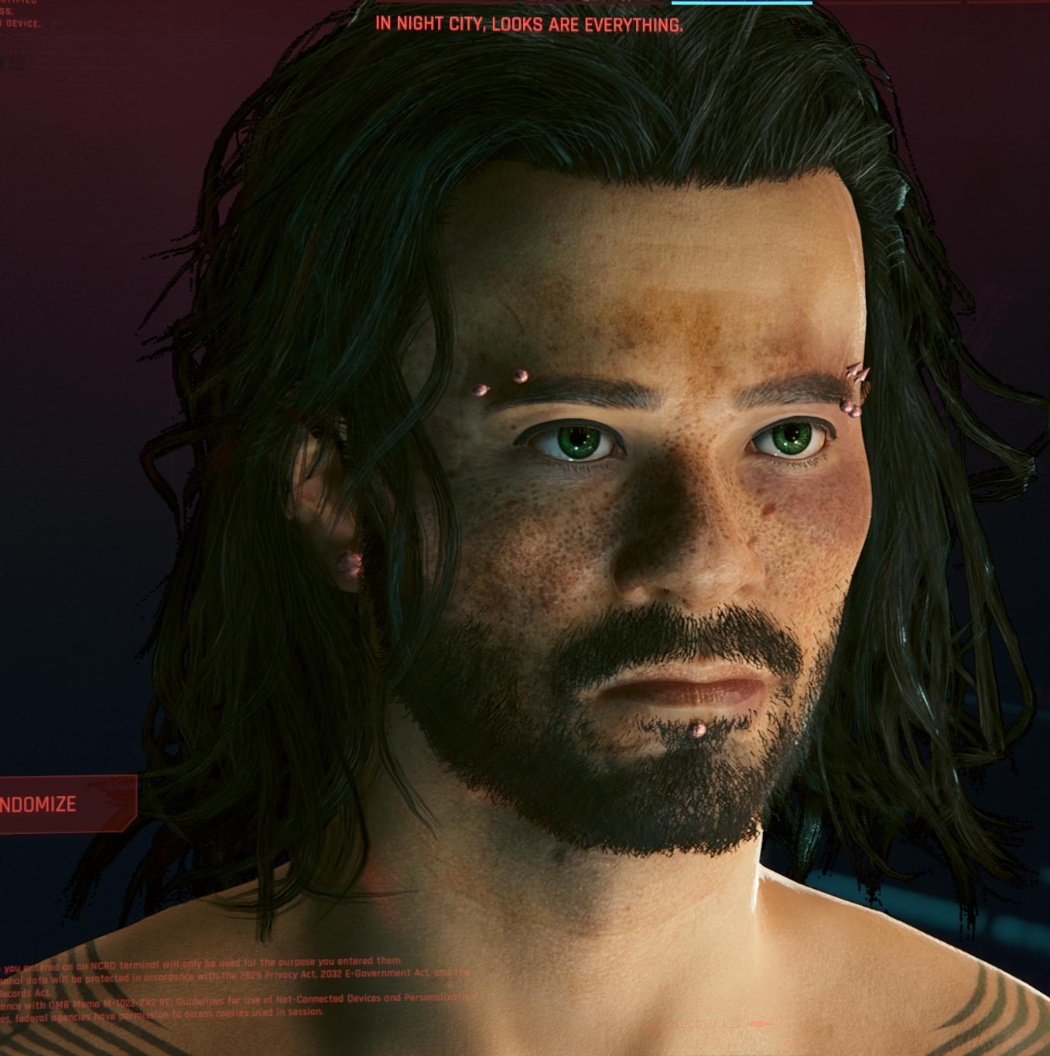 | Михаил Босенко | Rockerboy 4 | 2026-08-18 | 0 | 0€$ | 0€$ | 0 | Kibble (100€$) | Megabuilding H6 | —
Icarus | 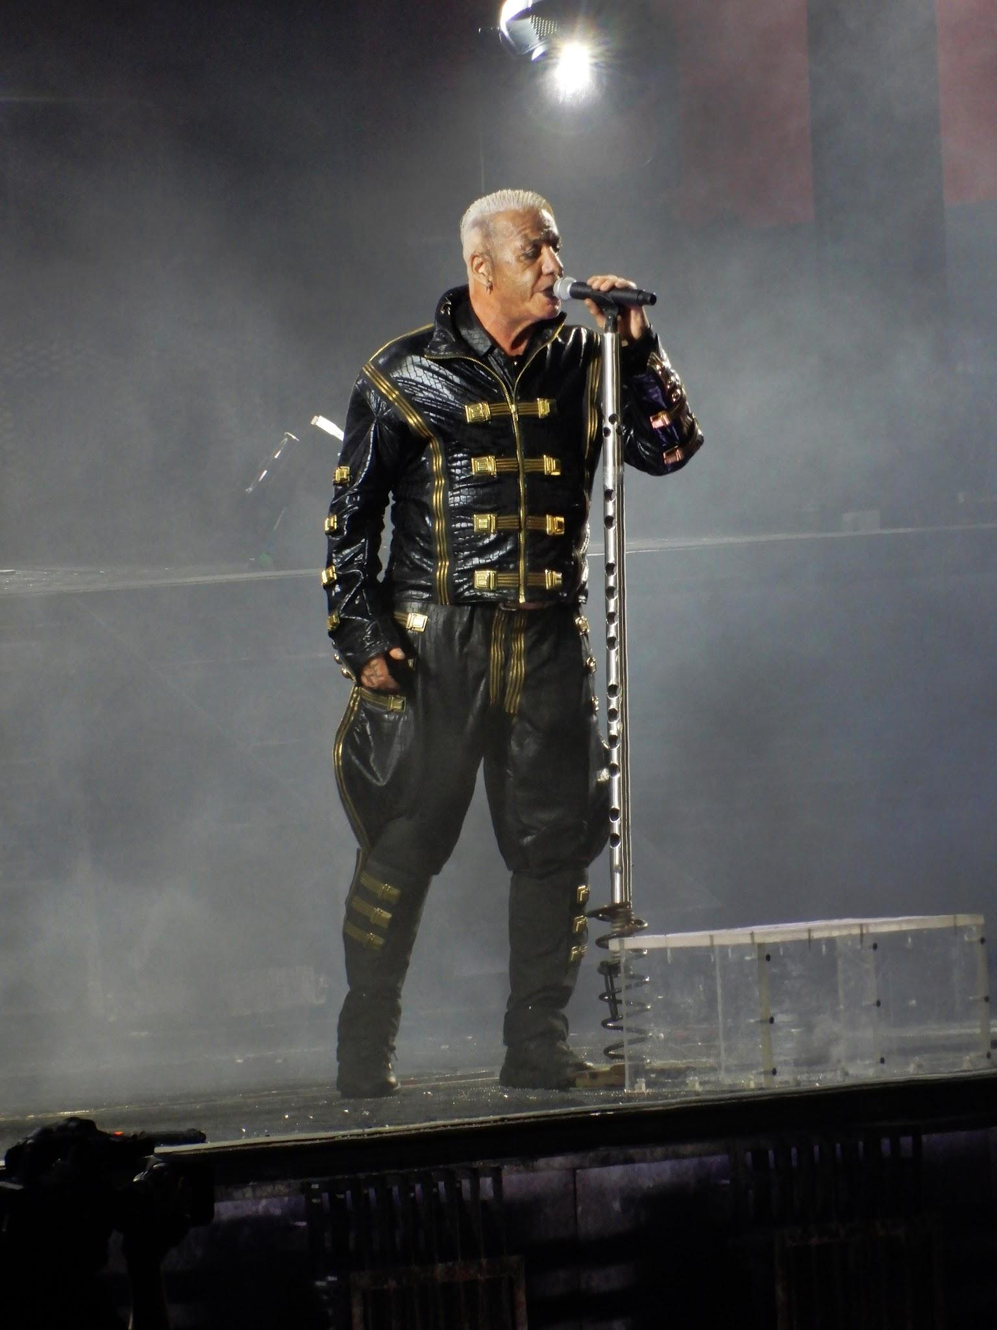 | Влад Айрумов | Rockerboy 4 | 2026-08-18 | 0 | 0€$ | 0€$ | 0 | Kibble (100€$) | Megabuilding H6 | —
Dodge |  |  |  | 2026-08-18 | 0
 |  |  |  | 2026-08-18 | 0
 |  |  |  | 2026-08-18 | 0
 |  |  |  | 2026-08-18 | 0
 |  |  |  | 2026-08-18 | 0
 |  |  |  | 2026-08-18 | 0
 |  |  |  | 2026-08-18 | 0
 |  |  |  | 2026-08-18 | 0
 |  |  |  | 2026-08-18 | 0
 |  |  |  | 2026-08-18 | 0
 |  |  |  | 2026-08-18 | 0
 |  |  |  | 2026-08-18 | 0
 |  |  |  | 2026-08-18 | 0
 |  |  |  | 2026-08-18 | 0
 |  |  |  | 2026-08-18 | 0
 |  |  |  | 2026-08-18 | 0
 |  |  |  | 2026-08-18 | 0
 |  |  |  | 2026-08-18 | 0

